3.3.3C Meeting and Training
 |  | HEALTH, SAFETY, ENVIRONMENT AND QUALITY MANAGEMENT SYSTEM BUNKER OPERATIONS Reporting Form Manual |  |  |  |  |  |  |  |  |  |  |  | Form No : 3.3.3 Date : 07-Aug-2025 Rev : 10.1 App By : DPA

3.3.3C Meeting and Training

Pre Bunkering Meeting

Vessel:- | 0 |  |  |  |  |  |  |  | Port:- |  | 0
Date:- | 0 |  |  |  |  |  |  |  | Time:-

List of Attendees
Rank |  | Name |  | Signature |  |  | Rank |  | Name |  |  |  | Signature

NB: If bunker tank soundings exceed agreed stop values or the high level alarms activates, bunkers are to be stopped immediately. Request permission to close the manifold valve and investigated the cause.

Normal load volume should not exceed 85% of the tank capacity. The person in charge of bunker operations will be a Senior Officer, he is in charge of interpolating the results given to him from the 3EO/4EO and monitoring the loading using all available equipment provided. The Senior Officer should also make rounds to ensure that all personnel are carrying out their duties as required and discussed in the pre bunker meeting. Loading sequence to be filled into the Remarks section before commencing bunkering as per pre-bunker meeting. If loading in sequential tanks, barge is to be notified before changing over and rate to be reduced or bunkering stopped until tanks are lined up. NB When filling transferring into LO Bunker tanks this must be done using a proper connection flange and hose not down teh filling pipe.

HFO TANKS |  |  | 85% Capacity in MT | Present Grade | ROB cubm | Intake Ordered cubm |  | Start Sounding |  | Stop Soundings |  | Stop Vol |  | Final Vol from Calc sheet
0 |  |  | 0 | 0
0 |  |  | 0 | 0
0 |  |  | 0 | 0
0 |  |  | 0 | 0
0 |  |  | 0 | 0
0 |  |  | 0 | 0
0 |  |  | 0 | 0
0 |  |  | 0 | 0
0 |  |  | 0 | 0
0 |  |  | 0 | 0
0 |  |  | 0 | 0
0 |  |  | 0 | 0
0 |  |  | 0 | 0
0 |  |  | 0 | 0
 |  |  |  | TOTAL | 0 | 0

ROB ON ARRIVAL |  |  |  |  | VLSFO
ROB ON ARRIVAL |  |  |  |  | ULSFO
MAX INTAKE WITHOUT COMINGLING

MGO TANKS |  |  | 85% Capacity in MT | Present Grade | ROB cubm | Intake Ordered cubm |  | Start Sounding |  | Stop Sounding |  | Stop Vol |  | Final Vol from Calc sheet
0 |  |  | 0 | 0
0 |  |  | 0 | 0
0 |  |  | 0 | 0
0 |  |  | 0 | 0
0 |  |  | 0 | 0
0 |  |  | 0 | 0
 |  |  |  | TOTAL | 0 | 0

ROB ON ARRIVAL |  |  |  |  | LSMGO
ROB ON ARRIVAL |  |  |  |  | HSMGO
MAX INTAKE WITH COMINGLING |  |  |  |  | ANY GRADE

LO TANKS |  |  | 85% Capacity in MT | Present Grade | ROB cubm | Intake Ordered cubm |  | Start Sounding |  | Stop Sounding |  | Stop Vol |  | Final Vol from Calc sheet
Cylinder Oil |  |  | 0 | 0
LS Cylinder Oil |  |  | 0 | 0
System Oil |  |  | 0 | 0
Generator Oil |  |  | 0 | 0
Hydralic Oil |  |  | 0 | 0
 |  |  |  | TOTAL | 0 | 0

Risk Assessment discussed and agreed

Bunkering Loading Sequence. Present the pipeline schematic showing lines, tanks and valves

National/Local Bunkering Requirements

Anticipated Rates/Pressures/Top off Procedure

Procedure for clearing lines after bunkering operations

See Guidance Notes in the SMS (HSE Section 16.0)

8.1 | Adequate electrical insulating means are in place in the ship/shore connection.
 | Unless measures are taken to break the continuous electrical path between ship and shore pipework provided by the ship/shore hoses or metallic arms, stray electric currents, mainly from corrosion prevention systems, can cause electric sparks at the flange faces when hoses are being connected and disconnected.
 | The passage of these currents is usually prevented by an insulating flange inserted at each jetty manifold outlet or incorporated in the construction of metallic arms. Alternatively, the electrical discontinuity may be provided by the inclusion of one length of electrically discontinuous hose in each hose string. It should be ascertained that the means of electrical discontinuity is in place, that it is in good condition and is not being by-passed by contact with an electrically conductive material.

8.2 | All Bunker hoses are in good condition and are appropriate for the service intended
 | Hoses should be in a good condition and properly fitted and rigged so as to prevent strain and stress beyond design limitations. All flange connections should be fully bolted and any other types of connections should be properly secured. Hoses and pipelines should be constructed of a material suitable for the substance to be handled, taking into account its temperature and the maximum operating pressure. Cargo hoses should be indelibly marked so as to allow the identification of the products for which they are suitable, specified maximum working pressure, the test pressure and last date of testing at this pressure, and, if used at temperatures other than ambient, maximum and minimum service temperatures.

8.3 | The barge and ship is securely moored
 | In answering this question, due regard should be given to the need for adequate fendering arrangements. Ships should remain adequately secured in their moorings. Alongside piers or quays, ranging of the ship should be prevented by keeping all mooring lines taut. Attention should be given to the movement of the ship caused by wind, currents, tides or passing ships and the operation in progress. Wire ropes and fibre ropes should not be used together in the same direction (i.e. as breast lines, spring lines, head or stern lines) because of the difference in their elastic properties. Once moored, ships fitted with automatic tension winches should not use such winches in the automatic mode. Means should be provided to enable quick and safe release of the ship in case of an emergency. In ports where anchors are required to be used, special consideration should be given to this matter. Irrespective of the mooring method used, the emergency release operation should be agreed, taking into account the possible risks involved. Anchors not in use should be properly secured.

8.4 | There is safe means of access between the ship and barge.
 | The access should be positioned as far away from the manifolds as practicable. The means of access to the ship should be safe and may consist of an appropriate gangway or accommodation ladder with a properly secured safety net fitted to it. Particular attention to safe access should be given where the difference in level between the point of access on the vessel and the jetty or quay is large, or is likely to become large. When terminal access facilities are not available and a ship's gangway is used, there should be an adequate landing area on the berth so as to provide the gangway with a sufficient clear run of space and so maintain safe and convenient access to the ship at all states of tide and changes in the ship's freeboard. Near the access ashore, appropriate life-saving equipment should be provided by the terminal. A lifebuoy should be available on board the ship near the gangway or accommodation ladder. The access should be safely and properly illuminated during darkness. Persons who have no legitimate business on board, or who do not have the master's permission, should be refused access to the ship. The terminal should control access to the jetty or berth in agreement with the ship.

8.5 | Effective communications have been established between Responsible Officers
 | Communication should be maintained in the most efficient way between the responsible officer on duty on the ship and the responsible person ashore.
 | When telephones are used, the telephone both on board and ashore should be continuously manned by a person who can immediately contact his respective supervisor.
 | Additionally, the supervisor should have a facility to override all calls. When RT/VHF systems are used, the units should preferably be portable and carried by the supervisor or a person who can get in touch with his respective supervisor immediately. Where fixed systems are used, the guidelines for telephones should apply.
 | The selected primary and back-up systems of communication should be recorded on the check list and necessary information on telephone numbers and/or channels to be used should be exchanged and recorded.
 | The telephone and portable RT/VHF systems should comply with the appropriate safety requirements.

 | Approved hand signals.
 | 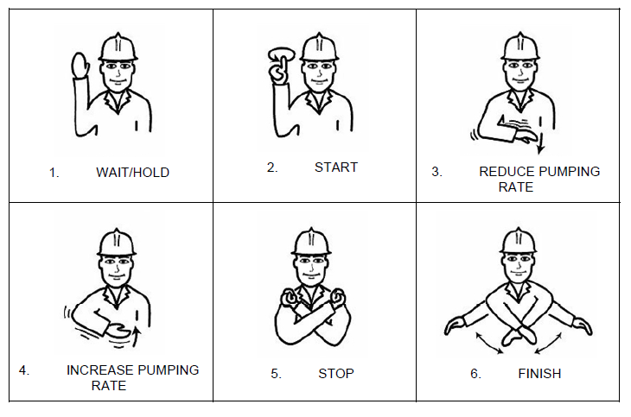
8.6 | There is an effective watch on board the barge and on the ship receiving bunkers.
 | The operation should be under constant control and supervision on ship and ashore. Supervision should be aimed at preventing the development of hazardous situations. However, if such a situation arises, the controlling personnel should have adequate knowledge and the means available to take corrective action. The controlling personnel on the ship and in the terminal should maintain effective communications with their respective supervisors. All personnel connected with the operations should be familiar with the dangers of the substances handled and should wear appropriate protective clothing and equipment.

8.7 | Fire hoses and fire-fighting equipment on board the barge and ship are ready for immediate use
 | Fire-fighting equipment on board should be correctly positioned and ready for immediate use. Adequate units of fixed or portable equipment should be stationed to cover the ship's cargo deck. The ship’s fire main systems should be pressurised or be capable of being pressurised at short notice. Both ship and shore should ensure that their fire main systems can be inter-connected in a quick and easy way utilising, if necessary, the international shore fire connection.

8.8 | All scuppers are effectively plugged. Temporarily removed scupper plugs will be monitored at all times.
 | Where applicable, all scuppers on board should be properly plugged during the operations. Accumulation of water should be drained off periodically. The ship’s manifolds should ideally be provided with fixed drip trays in accordance with
 | OCIMF recommendations, where applicable. In the absence of fixed containment, portable drip trays should be used.
 | All drip trays should be emptied in an appropriate manner whenever necessary but always after completion of the specific operation. When only corrosive liquids or refrigerated gases are being handled, the scuppers may be kept open, provided that an ample supply of water is available at all times in the vicinity of the manifolds.
 | Scuppers that are temporarily unplugged, for example, in order to drain clean rainwater from the cargo deck, must be constantly and closely monitored. The scupper must be resealed immediately in the event of a deck spill or any other incident that has the potential to cause pollution.

8.9 | Initial line up has been checked and unused bunker connections are blanked and fully bolted.
...

